C2 Form
BOILER TUBE FAILURE REPORT (C-2 FORM)
(C-2 FORM SHOULD BE SENT WITHIN 12 HOURS OF SYNCHRONISATION)

1) STATION: | NTPL | 2) UNIT No. |  | I | 3) LAST UNIT OUTAGE |  |  | Oct-18 | 4) LAST UNIT O/H |  | Jun-17
5) UNIT SHUTDOWN FROM |  | 30 | 11 | 18 |  | 12 | 30 | 9) OUTAGE HOURS |  | 28 | 05
6) WATER FILLING CLEARANCE |  | 01 | 12 | 18 |  | 13 | 25 | (ONLY DUE TO BTF) |  | hh | mm
7) CLEARANCE FOR LIGHTUP |  | 01 | 12 | 18 |  | 16 | 35 | 10) GENERATION LOSS |  | 16.20
(AFTER REPAIR OF BTF) |  | dd | mm | yy |  | hh | mm | (ONLY DUE TO BTF) |  | MUS
8) UNIT SYNCHRONISED AT |  | 1 | 12 | 18 |  | 20 | 54
11) BTF INSPECTED BY |  | dd | mm | yy |  | hh | mm
 | BTF COMMITTEE HEAD |  |  |  |  | MTP |  |  |  | FQA
 |  | CHEMISTRY |  |  |  | OPERATION |  |  |  | O&C

BOILER TUBE FAILURE LOCATION
12) FAILED TUBE LOCATION MARKED ON UNIT MATERIAL DIAGRAM AND BOILER GENERAL ARRANGEMENT DRAWING
(CLEARLY IDENTIFYING TUBE NO., COIL NO., TUBE DIMENSION, TUBE MATERIAL AND X,Y,Z COORDINATES)
Tube Dimension - D51 x 5 mm; Tube Material - SA 210 Gr. C; Tube Number - 37 & 38 from LHS water wall in front water wall at 51 Mtr level

DESCRIPTION OF BOILER FAILED TUBES

13) PHOTOGRAPHS OF LOCATION OF FAILURE BEFORE START OF REPAIR WORK

Same as below

14) PHOTOGRAPHS OF PRIMARY FAILED TUBE
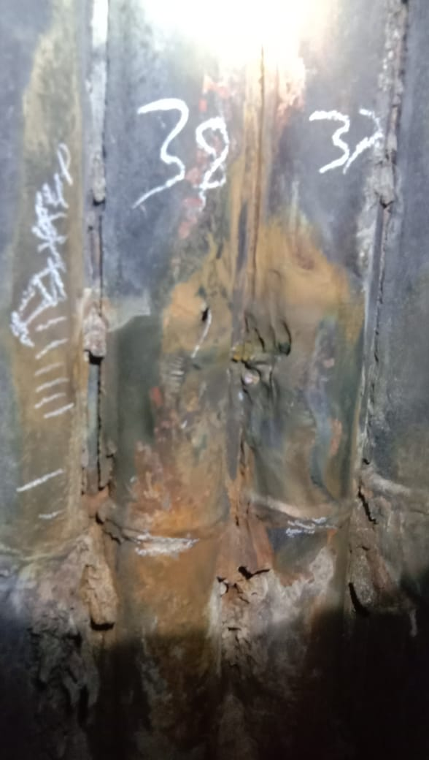

15) PHOTOGRAPHS OF REPAIRED LOCATION AFTER RESTORATION WORK

Not Available

16) DETAILS OF REPAIR WORK (SPECIFY JOINT DETAILS, COIL NO./ TUBE NO. & RESTORATION WORK)
AT 51 Mtr Elevation
1 | Erection attachment fin weld failure in front water wall of Tube 37 & 38 from LHS water wall. Metal build up - Tube number 39
 | NO.OF JOINTS - 4 erection welds + 1 weld build up

17) DETAILS OF INSPECTION OF ADJACENT AND IDENTICAL LOCATIONS
 | Thickness survey carried out for adjacent tubes for any steam erosion

18) HISTORY OF WORK IN FAILED TUBE/COIL/LOCATION IN PAST FIVE YEARS

YEAR | HISTORY OF WORK (DETAILS OF WORK DONE IN THE AREA/COIL
 | LOCATION | Tube/Coil No. |  |  | No. OF TUBES REPLACED |  |  | NATURE OF FAILURE & WORK
 | NIL

19) STATION OBSERVATION W.R.T. CAUSE OF TUBE FAILURE
Root Cause - Erection attachment fin weld failure
COPY TO: |  | 1) DISPLAY IN UCB
 |  | 2) GM/O&M
 |  | 3) HOD (OS-BOILER)
 |  |  |  |  |  |  |  | (SIGNATURE OF BTF HEAD)
 |  |  |  |  |  |  |  | NAME:
 |  |  |  |  |  |  |  | DESIGNATION:
 |  |  |  |  |  |  |  | DATE:

